Conversion Tool
Steps:
1 | Open the specs pdf file in Adobe Acrobat then export the pdf as Excel Workbook:
 | From the top-left corner, click Menu -> Export a PDF -> Microsoft Excel -> Microsoft Excel Workbook
 | Save the file in somewhere that you can find easily

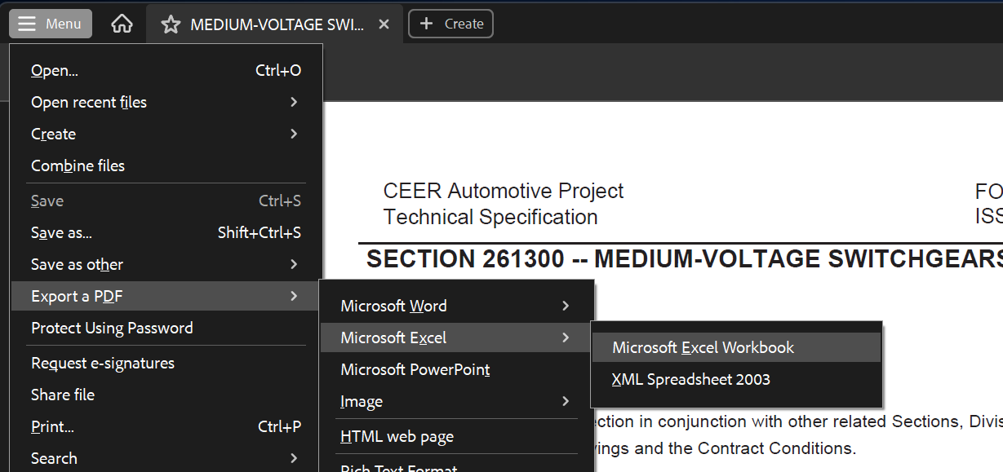

2 | Click the button on the top of this sheet, it will open a file selection dialog. Select the converted file you just saved and click OK.

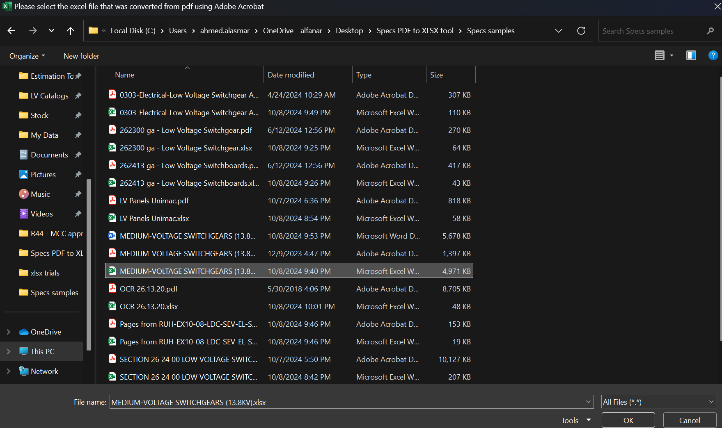

3 | Wait a few seconds, the converted sheet will be exported to a new workbook. Save the file in a suitable place.

Important Notes:
1 | The conversion quality will come down to the quality of the pdf conversion.
 | Please double check all clauses for missing spaces or for clauses separated in two lines.

2 | Please convert original specs files not specs with comments, type text fields, pictures or signatures because it will affect the quality of conversion

